Assignment
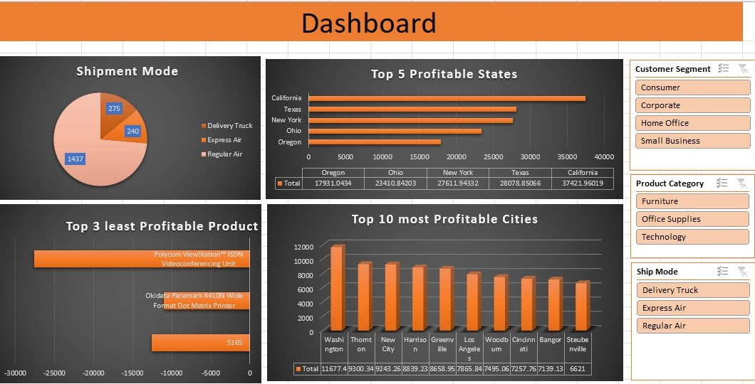
 | Import file ' Sales Data set ' with use of Power Query.
 | Sales Data set' contains 3 sheets, use Power Pivot to establish relationship, Query to Clean and upload the data into Data Model.
 | Create different Reports, Use maximum features offered in power pivot. Use Different types of appropriate Graphs/Charts
 | Use Slicers, Timeline, Formatting techniques to create a Dashboard.
 | Analyze the Dataset and Create a Dashboard.

 | Sample Reports:
 | Most Used Shipment Mode
 | Top 5 Profitable States
 | Top 3 least Profitable Product Sub- Categories
 | Top 10 most Profitable Cities

 | And any new insights you can gain out of the data

NOTE: | You can choose chart as per your preference, Below screenshot is added just for your reference

Charts
Shipment Mode
Row Labels | Count of Order ID
Delivery Truck | 72
Express Air | 11
Regular Air | 55
Grand Total | 138

Top 5 Profitable States

 | Row Labels | Sum of Profit
 | California | 20094.76988
 | Colorado | 9583.8385
 | Oregon | 5434.3908
 | Texas | 5393.622
 | Washington | 6205.5517
 | Grand Total | 46712.17288

 | Row Labels | Sum of Profit
 | Bookcases | -930.4384
 | Office Furnishings | 18724.1191
 | Tables | -7240.0713637
 | Grand Total | 10553.609336

 | Row Labels | Sum of Profit
 | Chico | 3031.9724
 | Davis | 4921.2148
 | Greenville | 4539.9867
 | Huntington | 5101.814
 | La Grange | 3236.9757
 | Las Vegas | 4336.0274
 | Longview | 4209.7309
 | Mankato | 4861.0638
 | San Gabriel | 4390.3665
 | Thornton | 8400.6731
 | Grand Total | 47029.8253

Dashboard
DASHBOARD

Shipment Mode
 | Total
Delivery Truck | 72
Express Air | 11
Regular Air | 55
Top 5 Profitable States
 | Total
California | 20094.76988
Colorado | 9583.8385
Oregon | 5434.3908
Texas | 5393.622
Washington | 6205.5517

Top 10 Profitable Cities
 | Total
Chico | 3031.9724
Davis | 4921.2148
Greenville | 4539.9867
Huntington | 5101.814
La Grange | 3236.9757
Las Vegas | 4336.0274
Longview | 4209.7309
Mankato | 4861.0638
San Gabriel | 4390.3665
Thornton | 8400.6731
Top 3 Least Profitable Products
 | Total
Bookcases | -930.4384
Office Furnishings | 18724.1191
Tables | -7240.0713637

